Stats
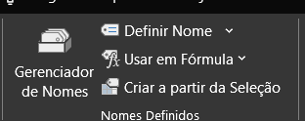
Pushpin HR - Facts at a Glance |  | Utilizando o recurso '' USAR EM FÓRMULA''

Em ''Colar nomes'' irá apresentar todos os intervalos. Assim é uma forma de DOCUMENTAR para outros usuários que irão utilizar da planinha.

Annual_Salary | =Staff!$N$4:$N$38
Date_of_Hire | =Staff!$F$4:$F$38
Department | =Staff!$H$4:$H$38
Email | =Staff!$E$4:$E$38
Emp_ID | =Staff!$A$4:$A$38
Extension | =Staff!$K$4:$K$38
First | =Staff!$C$4:$C$38
Floor | =Staff!$J$4:$J$38
Gender | =Staff!$D$4:$D$38
Last | =Staff!$B$4:$B$38
Last_Review | =Staff!$L$4:$L$38
Location | =Staff!$I$4:$I$38
Next_Review | =Staff!$M$4:$M$38
Package | =Staff!$P$4:$P$38
Pension | =Staff!$O$4:$O$38
Pension_Rate | =Staff!$P$1
Years_Service | =Staff!$G$4:$G$38

Aula 4 Intervalos nomeados
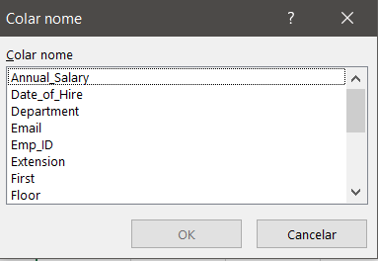
Para essa aula, ao relacionar intervalos nas fórmulas, preciso saber o nome do mesmo, para pesquisar no espaço da fórmula. Ex: ''Annual_Salary"+''Pension''
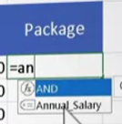
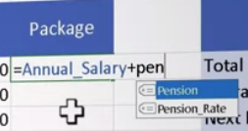

>> Para facilitar o cálculo de ''Total Package'', criemos o intervalo para ''Package''.

>> Calculando a Média:

>> Calculando Mínimo:

>> Calculando Máximo:

DICA: Em caso de esquecer qual o nome foi dado a determinada planilha, clica F3 aporesenta a tabela de intervalos!!!

Aula 5 - Aplicar nomes
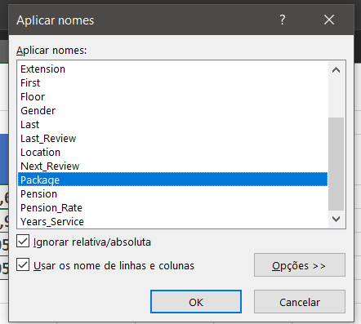
O primeiro passo da aula foi criar on intervalo ''Package'' que criei para facilitar o cálculo de SOMA:
>> Para facilitar o cálculo de ''Total Package'', criemos o intervalo para ''Package''. | VER COMENTÁRIO!!!
E neste caso, para não refazer de forma manual, iremos em ''Aplicar nomes''. Clicamos na linha que desejamos o cálculo e aplicamos:
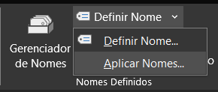

 | Não esquecer que após criado o intervalo, ir na linha que deseja ''Aplicar nopmes'' para atualizar a equação.

